Bug Inventories
Category | Label | Value
Bug ID 001 Inventories | ID Number: Name: Repoter: Submitdate: | #BID_001 Search Field Error Vedang Diwanji
 | Summary: | Not able to search by name in the search field of items
Bug Overview | URL | http://cls-medsol.in/items
 | Screenshot | 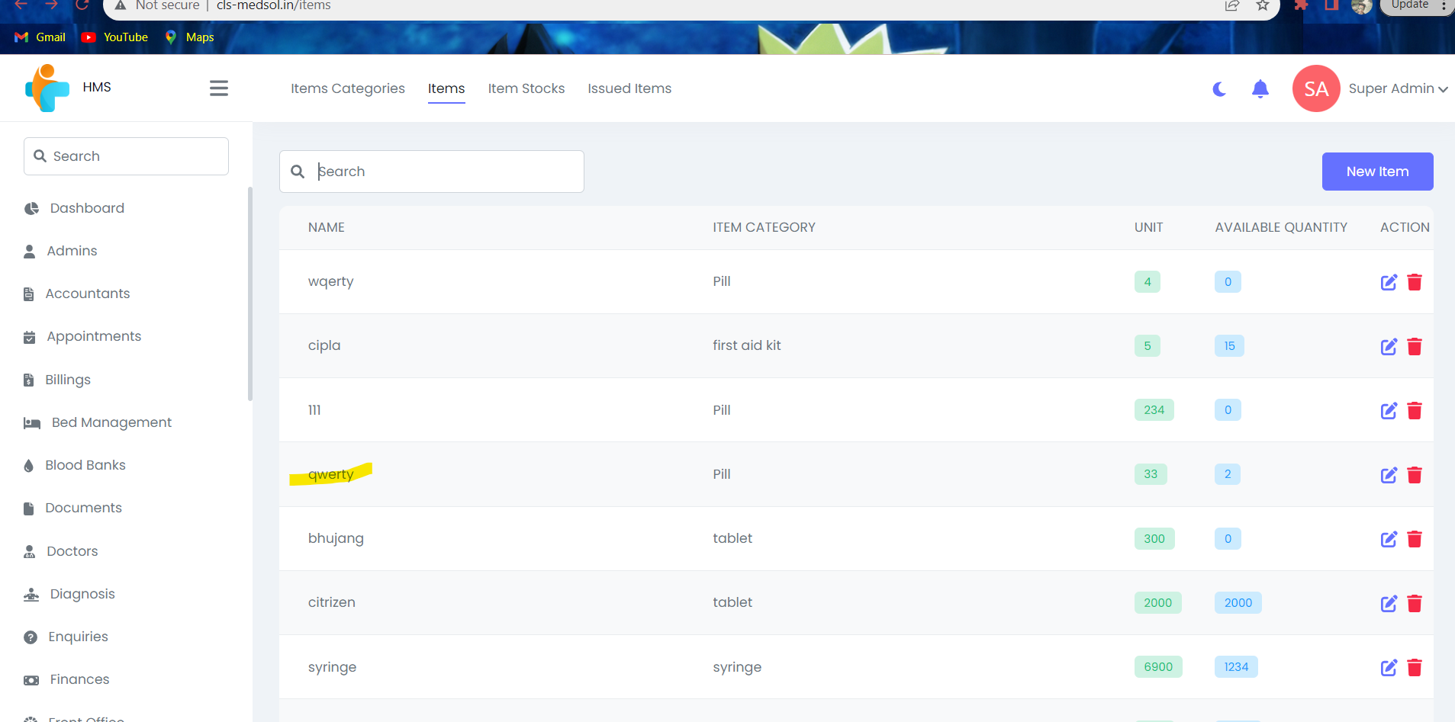 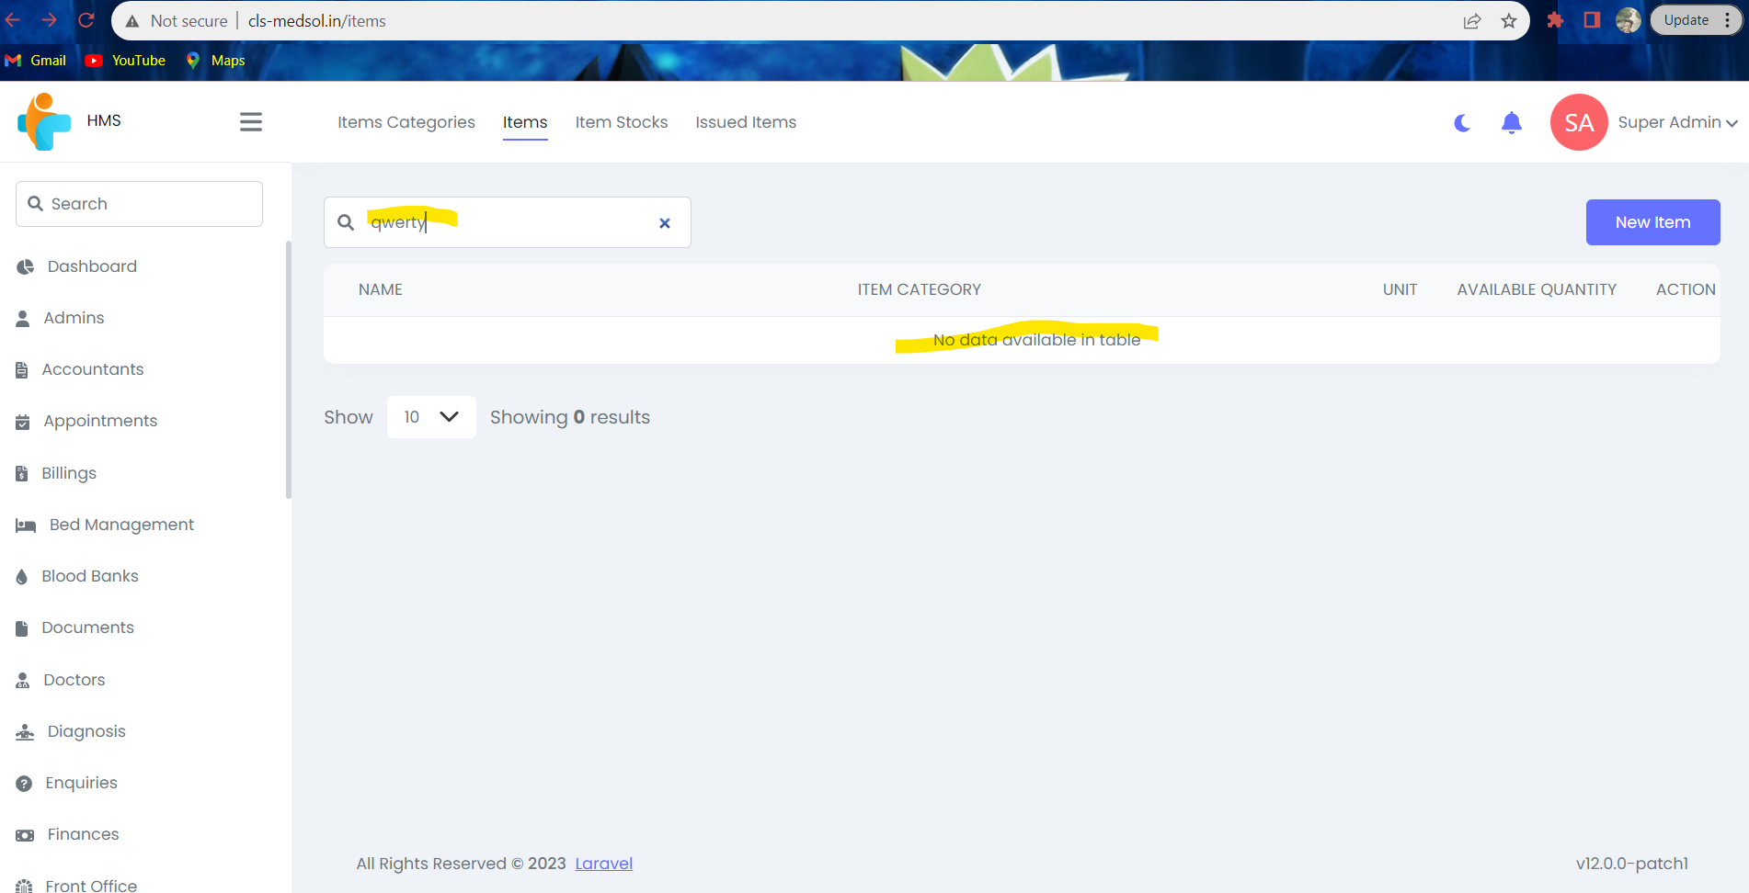
 | Platform | Windows 11
Environment | Operating System | Windows 11
 | Browser | Chrome
Bug Details | Steps to re produce | 1. Open the application in any browser. 2. Login using valid credentials. 3. Click on Inventories module. 4. Click on Items. 5. Enter the name of the item in search field.
 | Expected Result | 1. User should be able to search the item by name.
 | Actual Result | 1. User is unable to search the item by name.
Bug Tracking | Severity: Priority: | Moderate Medium

Bug Nurse
Category | Label | Value
Bug ID 001 Nurse | ID Number Name: Reporter: Submitdate: | #BID_001 Data validation issues New Nurse Vedang Diwanji
 | Summary: | "Nurse" module has multiple data validations, to add a new nurse the first and last name and designation is accepting numeric and special characters and special characters also shows "422 error" after adding all the required field and clicking on save.
Bug Overview | URL | http://cls-medsol.in/nurses/create
 | Screenshot | 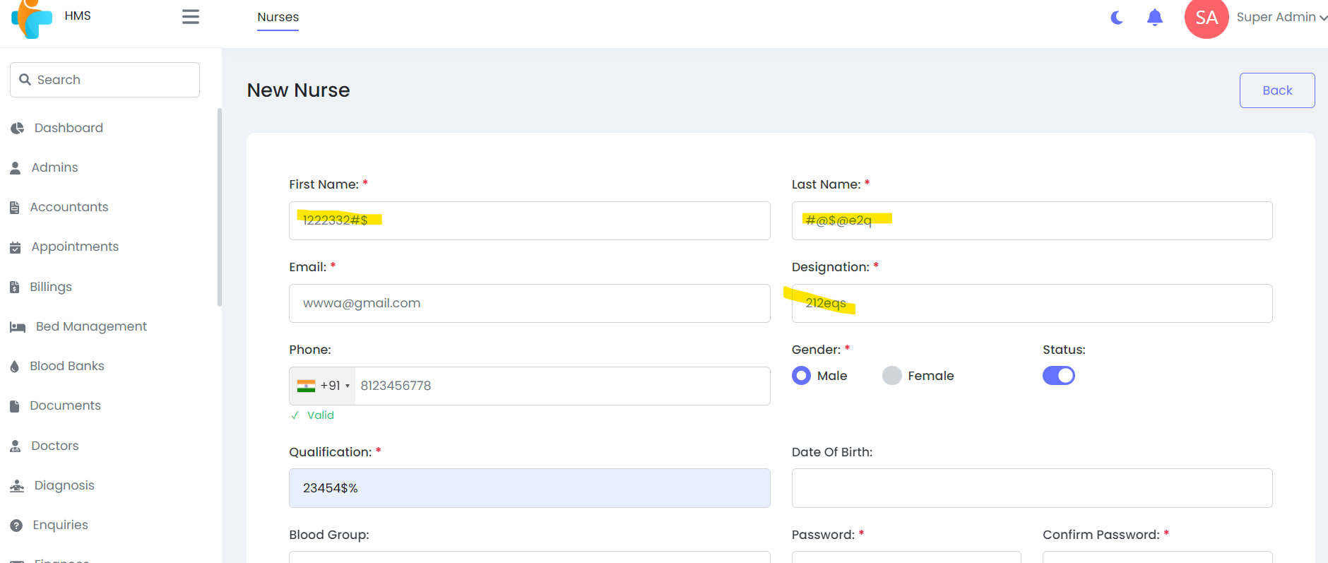 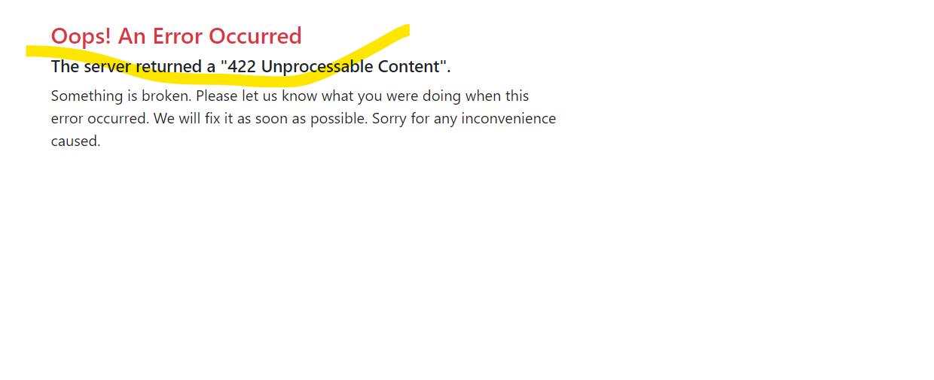
 | Platform | Windows 11
Environment | Operating System | Windows 11
 | Browser | Chrome
Bug Details | Steps to re produce | Nurses (first name , last name, designation ) accepting numbers and symbols issue1: 1.open the application in any browser 2.Login using valid credential 3.Click on Nurses module 4.Click on action 5. Click on New Nurse 6. Enter New Nurse details( first name, last name, email, designation, phone number, qualification,DOB, blood group,password,gender,address,city,zip) and save it 7.Enter numerical values and symbols in First name, Last name, designation and save it. issue2: The server returned a "422 Unprocessable Content". 1.Open the application in any browser 2.Login using valid credential 3.Click on Nurses module 4.Click on action 5. Click on New Nurse 6. Enter New Nurse details( first name, last name, email, designation, phone number, qualification,DOB, blood group,password,gender,address,city,zip) and save it.
 | Expected Result | 1.New Nurse details must be saved without any errors . 2.First Name,Last Name,Designation fields should only accept valid text inputs without numerical values or symbols. 3.Zip code must accept only numeric charecters upto 6digits. 4.After adding all the required details it should save successfully without any error
 | Actual Result | 1.Mentioned fields accept numerical values and symbols, allowing invalid data to be entered. 2.After added all the required details click on save it shows error "The server returned a "422 Unprocessable Content"".
Bug Tracking | Severity: Priority: | Critical High

Bug Lab Technicians
Category | Label | Value
Bug ID 001 Lab Technicians | ID Number: Name: Repoter: Submitdate: | #BID_001 Data Validation Error Vedang Diwanji
 | Summary: | Lab Technicians module has multiple data validations, to add a new lab techinician the first and last name is accepting numeric and special characters and zip code is accepting alphabets and special characters also after saving it shows "422 error"
Bug Overview | URL | http://cls-medsol.in/lab-technicians/create
 | Screenshot |  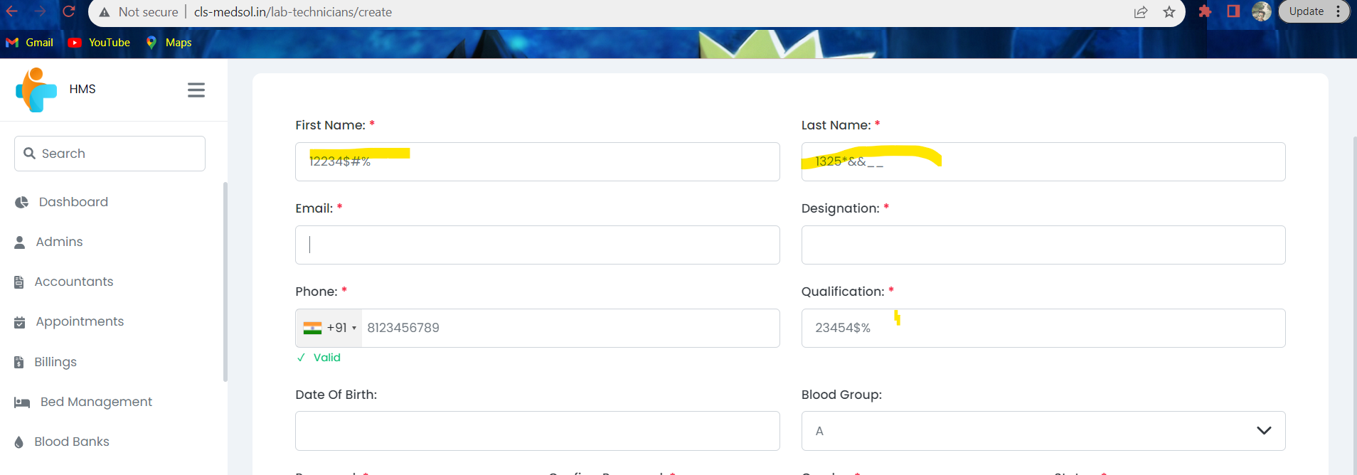 
 | Platform | Windows 11
Environment | Operating System | Windows 11
 | Browser | Chrome
Bug Details | Steps to re produce | Lab Technicians (first name , last name, designation ) accepting numbers and symbols 1.Open the application in any browser 2.Login using valid credential 3.Click on Lab Technician module 4.Click on Action 5. Click on New Lab Technician 6. Enter new lab technician details( first name, last name, email, designation, pjone number, qualification,DOB, blood group,password,gender,address,city,zip) and save it 7.Enter numerical values and symbols in First name, Last name, designation and save it issue2: zip code accepting alphabets and symbols 1.Open the application in any browser 2.Login using valid credential 3.Click on Lab Technician module 4.Click on Action 5. Click on new lab technician 6. Enter new lab technician details( first name, last name, email, designation, pjone number, qualification,DOB, blood group,password,gender,address,city,zip) and save it 7. Enter zip code 6 digits and save it 8. Enter zip code with alphabets aand symbols and save issue3: "422 Error" 1.Open the application in any browser 2.Login using valid credential 3.Click on Lab Technician module 4.Click on action 5.Click on new lab technician 6.Enter new lab technician details( first name, last name, email, designation, pjone number, qualification,DOB, blood group,password,gender,address,city,zip) and save it.
 | Expected Result | 1. new lab technician details must be saved without any errors 2.First Name,Last Name,Designation fields should only accept valid text inputs without numerical values or symbols 3. Zip code should accept only numeric characters upto 6 digits 4. The New lab technician must be added successfully
 | Actual Result | 1.Mentioned fields accept numerical values and symbols, allowing invalid data to be entered. 2. Zip code is accepting alphabets and special characters too. 3. After added all the required details clic on save it shows error "The server returned a "422 Unprocessable Content"".
Bug Tracking | Severity: Priority: | Critical High

Bug Live Meeting
Category | Label | Value
Bug ID 001 Live meeting | ID Number: Name: Reporter: Submitdate: | #BID_001 Data validation issues in Live meeting Vedang Diwanji
 | Summary: | Live meeting module has multiple data validations, to add a new live meeting after entering all the required data after clicking on save it shows URL error 6: Could not resolve
Bug Overview | URL | http://cls-medsol.in/live-meeting
 | Screenshot | 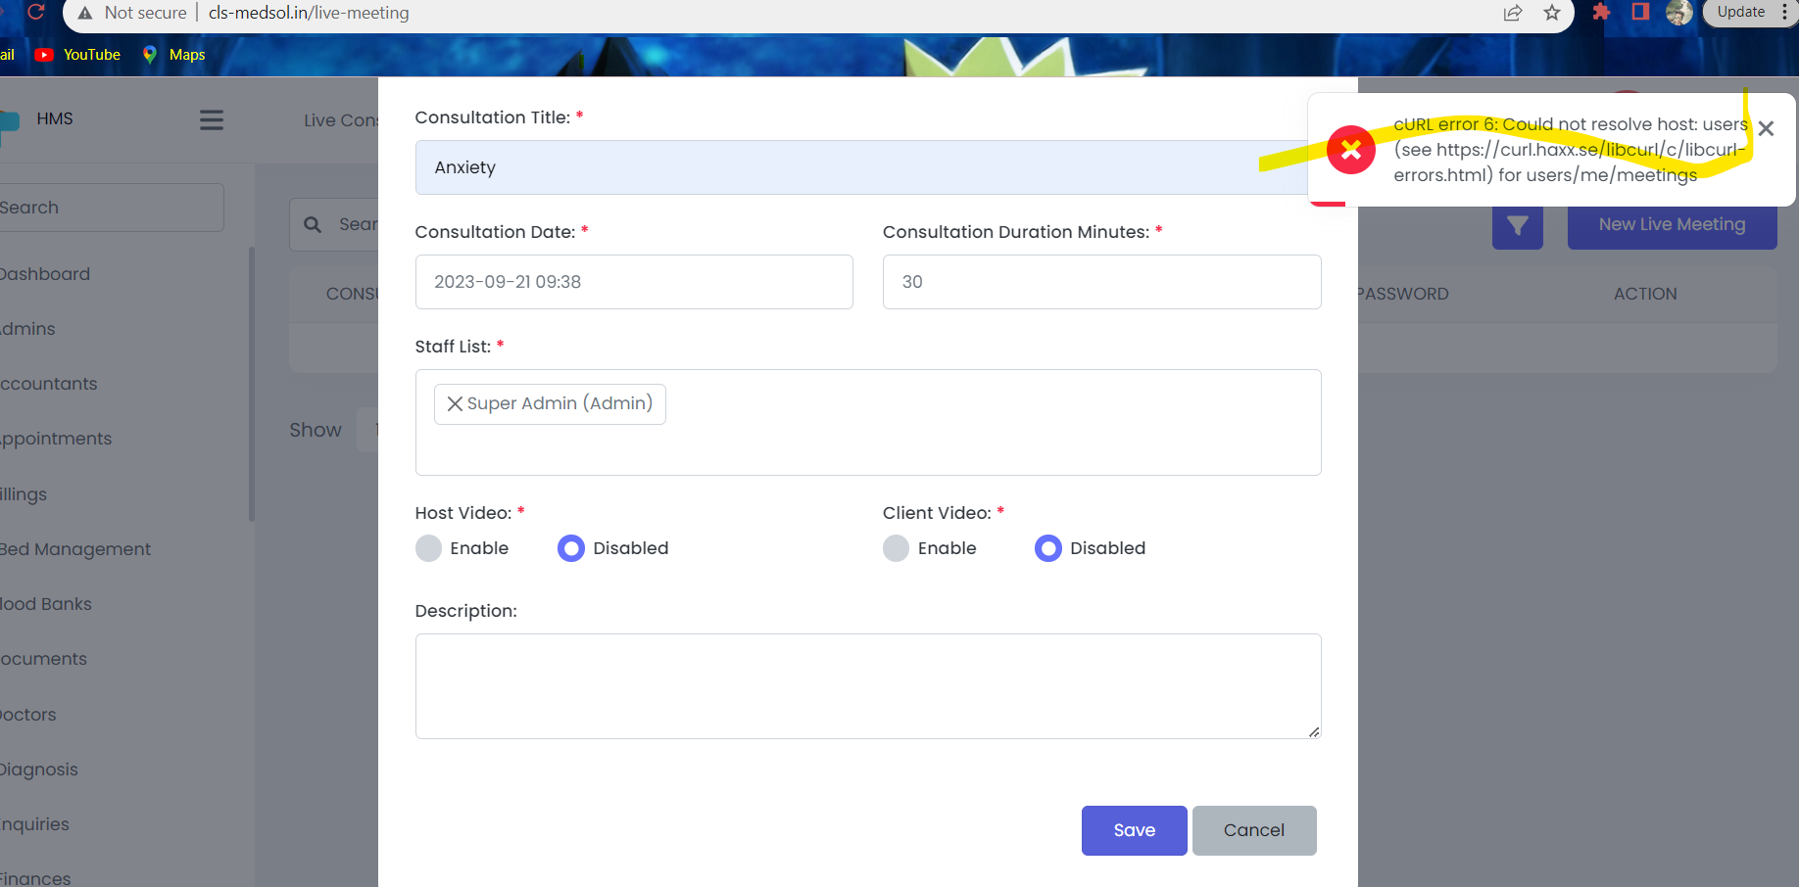
 | Platform | Windows 11
Environment | Operating System | Windows 11
 | Browser | Chrome
Bug Details | Steps to re produce | Live meeting shows"URL error 6: Could not resolve" issue1: 1.open the application in any browser 2.login using valid credential 3.click on Live consultations 4.click on Live meetings 5. click on consultation title, enter consultation title 6. click on consultation date a dropdown should appear which should display calendar 7. select consultation date 8.click on consulation duration minutes, enter the duration for consultation 9. click of staff list 10. select staff from the dropdown 11.host video select option to enable or disable 12. client video select option to enable or disable 13.click on description and add the detailed description 14. click on save
 | Expected Result | Live meeting details must be saved without any errors.
 | Actual Result | After clickng on save it shows cURL error 6.
Bug Tracking | Severity Priority | Critical High

Bug 1 Patients
Category | Label | Value
Bug ID 001 Patients | ID Number: Name: Reporter: Submitdate: | #BID_001 Data validation issues in Patients Vedang Diwanji
 | Summary: | "Patients" module has multiple data validations, to add a new patient the first and last name is accepting numeric and special characters and zip code is accepting alphabets and special characters also shows "422 error" after adding all the required field and clicking on save.
Bug Overview | URL | http://cls-medsol.in/patients/create
 | Screenshot | 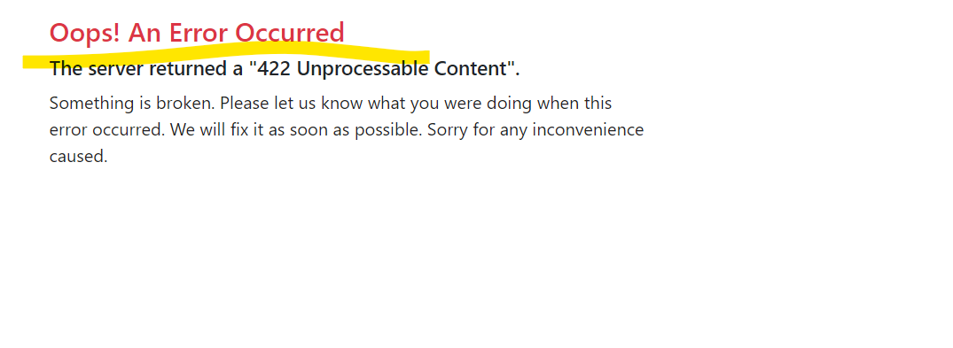
 | Platform | Windows 11
Environment | Operating System | Windows 11
 | Browser | Chrome
Bug Details | Steps to re produce | Patients (first name , last name) accepting numbers and symbols issue1: 1.open the application in any browser 2.Login using valid credential 3.Click on Patients module 4.Click on action 5. Click on New Patient 6. Enter New patient details( first name, last name, email, phone number,DOB, blood group,password,gender,address,city,zip) and save it 7.Enter numerical values and symbols in First name, Last name, and save it. issue2: The server returned a "422 Unprocessable Content". 1.Open the application in any browser 2.Login using valid credential 3.Click on Patients module 4.Click on action 5. Click on New Patient 6. Enter New Patient details( first name, last name, email, phone number, DOB, blood group,password,gender,address,city,zip) and save it.
 | Expected Result | 1.New Patient details must be saved without any errors . 2.First Name,Last Name, fields should only accept valid text inputs without numerical values or symbols. 3.Zip code must accept only numeric charecters upto 6digits. 4.After adding all the required details it should save successfully without any error.
 | Actual Result | 1.Mentioned fields accept numerical values and symbols, allowing invalid data to be entered. 2.After added all the required details click on save it shows error "The server returned a "422 Unprocessable Content"".
Bug Tracking | Severity: Priority: | Critical High

Bug 2 Patients
Category | Label | Value
Bug ID 002 Patients | ID Number: Name: Reporter: Submitdate: | #BID_002 Data Validation issues in Case Handlers Vedang Diwanji
 | Summary: | Case Handlers has multiple data validations, to add a new case handler the first and last name and designation is accepting numeric and special characters and also shows "422 error" after adding all the required field and clicking on save.
Bug Overview | URL
 | Screenshot | 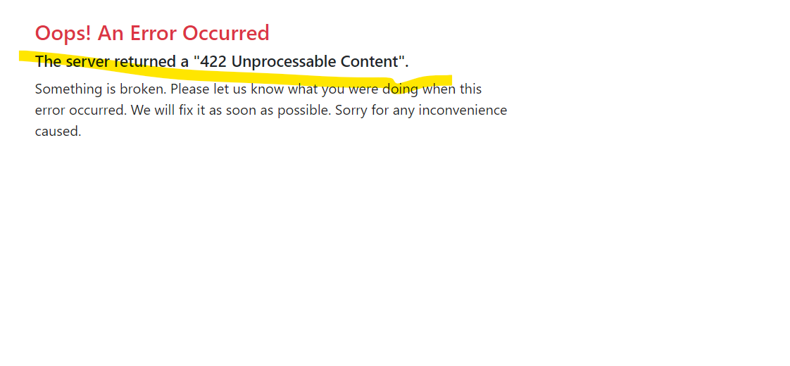
 | Platform | Windows 11
Environment | Operating System | Windows 11
 | Browser | Chrome
Bug Details | Steps to re produce | Case Handlers (first name , last name, designation ) accepting numbers and symbols issue1: 1.open the application in any browser 2.Login using valid credential 3.Click on Case Handlers 4.Click on action 5. Click on New Case Handlers 6. Enter New Case Handlers details( first name, last name, email, designation, phone number, qualification,DOB, blood group,password,gender,address,city,zip) and save it 7.Enter numerical values and symbols in First name, Last name, designation and save it. issue2: The server returned a "422 Unprocessable Content". 1.Open the application in any browser 2.Login using valid credential 3.Click on Case Handlers 4.Click on action 5. Click on New Case Handlers 6. Enter New Case Handlers details( first name, last name, email, designation, phone number, qualification,DOB, blood group,password,gender,address,city,zip) and save it.
 | Expected Result | 1.New Case Handlers details must be saved without any errors . 2.First Name,Last Name, fields should only accept valid text inputs without numerical values or symbols. 3.Zip code must accept only numeric charecters upto 6digits. 4.After adding all the required details it should save successfully without any error.
 | Actual Result | 1.Mentioned fields accept numerical values and symbols, allowing invalid data to be entered. 2.After added all the required details click on save it shows error "The server returned a "422 Unprocessable Content"".
Bug Tracking | Severity: Priority: | Critical High

Bug Pharmacists
Category | Label | Value
Bug ID 001 Pharmacists | ID Number: Name: Reporter: Submitdate: | #BID_001 Data Validation Issues in pharmacists Vedang Diwanji
 | Summary: | "Pharmacists" module has multiple data validations, to add a new Pharmacists the first and last name and designation is accepting numeric and special characters and special characters also shows "422 error" after adding all the required field and clicking on save.
Bug Overview | URL | http://cls-medsol.in/pharmacists/create
 | Screenshot | 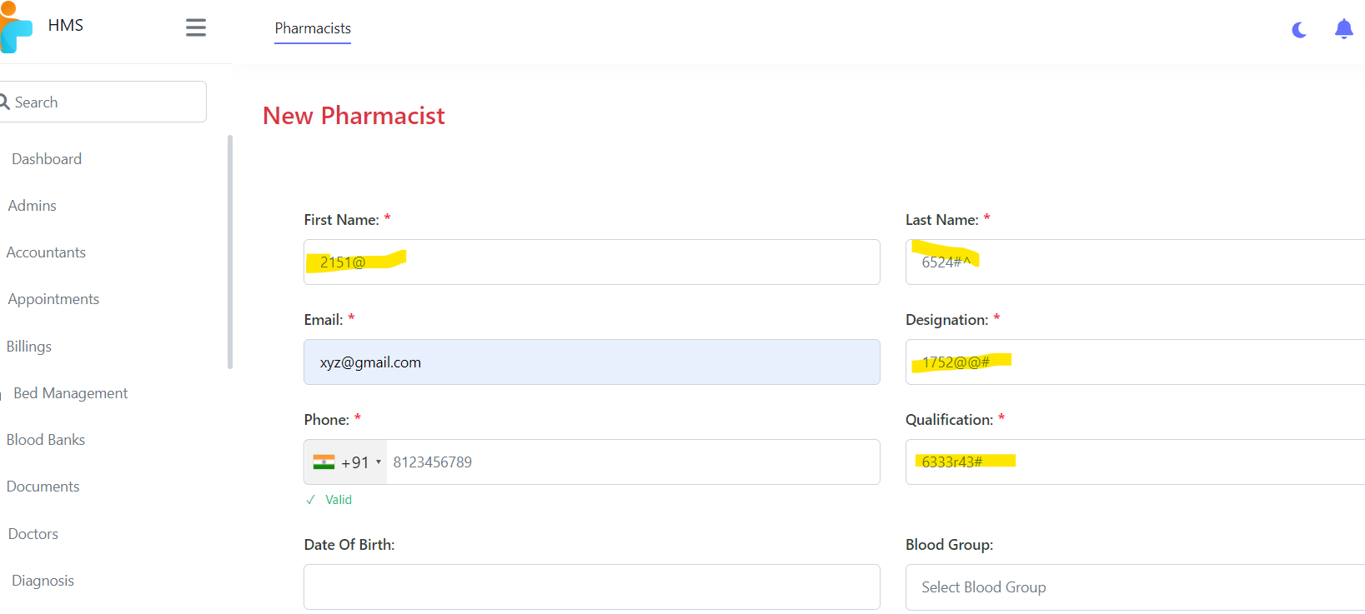 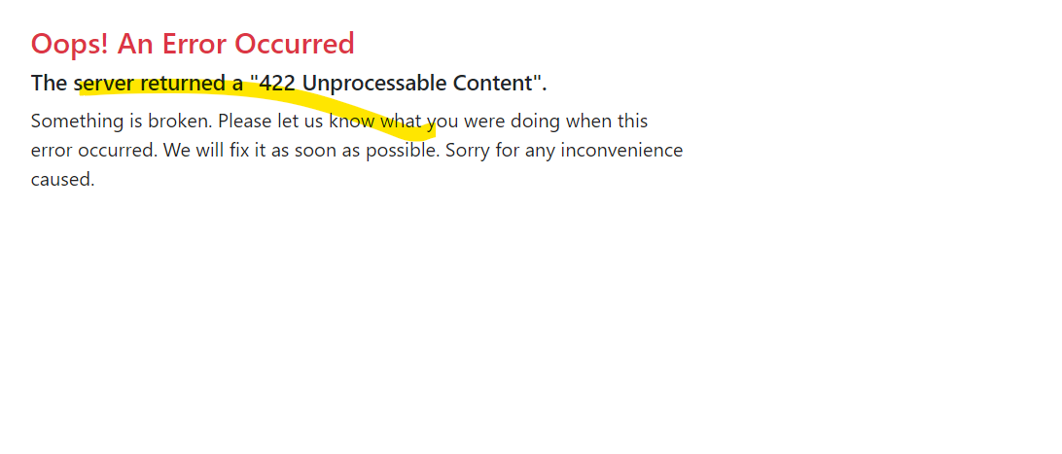
 | Platform | Windows11
Environment | Operating System | Windows11
 | Browser | Chrome
Bug Details | Steps to re produce | Pharmacists (first name , last name, designation ) accepting numbers and symbols issue1: 1.open the application in any browser 2.Login using valid credential 3.Click on Pharmacists module 4.Click on action 5. Click on New Pharmacists 6. Enter New Pharmacists details( first name, last name, email, designation, phone number, qualification,DOB, blood group,password,gender,address,city,zip) and save it 7.Enter numerical values and symbols in First name, Last name, designation and save it. issue2: The server returned a "422 Unprocessable Content". 1.Open the application in any browser 2.Login using valid credential 3.Click on Pharmacists module 4.Click on action 5. Click on New Pharmacists 6. Enter New Pharmacists details( first name, last name, email, designation, phone number, qualification,DOB, blood group,password,gender,address,city,zip) and save it.
 | Expected Result | 1.New Pharmacists details must be saved without any errors . 2.First Name,Last Name,Designation fields should only accept valid text inputs without numerical values or symbols. 3.Zip code must accept only numeric charecters upto 6digits. 4.After adding all the required details it should save successfully without any error
 | Actual Result | 1.Mentioned fields accept numerical values and symbols, allowing invalid data to be entered. 2.After added all the required details click on save it shows error "The server returned a "422 Unprocessable Content"".
Bug Tracking | Severity: Priority: | Critical High

Bug Receptionist
Category | Label | Value
Bug ID 001 Receptionist | ID Number: Name: Reporter: Submitdate: | #BID_001 Data Validation issues in receptionist Vedang Diwanji
 | Sumarry: | "Receptionist" module has multiple data validations, to add a new Receptionist the first and last name and designation is accepting numeric and special characters and special characters also shows "422 error" after adding all the required field and clicking on save.
Bug Overview | URL | http://cls-medsol.in/receptionists/create
 | Screenshot | 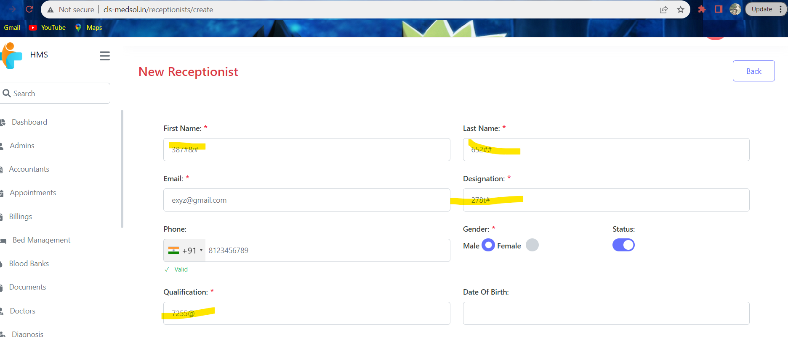
 | Platform | Windows 11
Environment | Operating System | Windows 11
 | Browser | Chrome
Bug Details | Steps to re produce | Receptionist (first name , last name, designation, qualification ) accepting numbers and symbols issue1: 1.open the application in any browser 2.Login using valid credential 3.Click on Receptionist module 4.Click on action 5. Click on New Receptionist 6. Enter New Receptionist details( first name, last name, email, designation, phone number, qualification,DOB, blood group,password,gender,address,city,zip) and save it 7.Enter numerical values and symbols in First name, Last name, designation and save it. issue2: The server returned a "422 Unprocessable Content". 1.Open the application in any browser 2.Login using valid credential 3.Click on Receptionist module 4.Click on action 5. Click on New Receptionist 6. Enter New Receptionist details( first name, last name, email, designation, phone number, qualification,DOB, blood group,password,gender,address,city,zip) and save it.
 | ExpectedResult | 1.New Receptionist details must be saved without any errors . 2.First Name,Last Name,Designation fields should only accept valid text inputs without numerical values or symbols. 3.Zip code must accept only numeric charecters upto 6digits. 4.After adding all the required details it should save successfully without any error
 | Actual Result | 1.Mentioned fields accept numerical values and symbols, allowing invalid data to be entered. 2.After added all the required details click on save it shows error "The server returned a "422 Unprocessable Content".
Bug Tracking | Severity: Priority: | Critical High

